Market Value
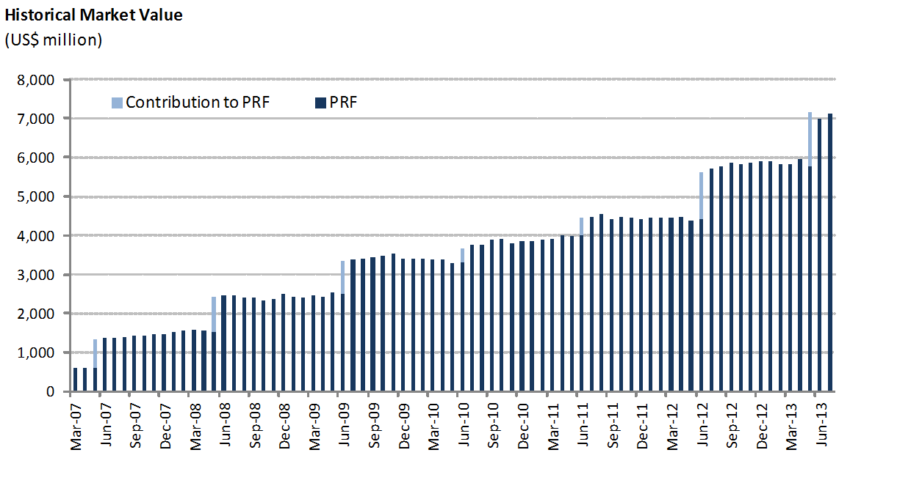
PRF Market Value

Changes in Market Value | 2007 | 2008 | 2009 | 2010 | 2011 | 2012 | 2013 |  |  | Since Inception
(US$ million) |  |  |  |  |  |  | Q1 | Q2 | July
Starting Market Value(1) | 439.54 | 736.05 | 1,018.55 | 1,142.37 | 1,311.07 | - | - | - | - | 0.00
Contributions | 974.69 | 1,686.93 | 2,280.42 | 2,559.90 | 2,940.06 | 2,703.67 | 2,661.92 | 3,406.30 | 3,423.57 | 6,441.41
Withdrawals | 52.13 | 83.79 | 121.86 | 134.42 | 154.47 | 1,029.31 | 983.53 | 1,155.98 | 1,198.16 | 0.00
Accrued Interest | - | - | - | - | - | 1,198.96 | 1,183.97 | 1,397.06 | 1,419.39 | 559.47
Capital Gains (Losses) | - | - | - | - | - | 951.31 | 1,015.49 | 1,047.06 | 1,098.54 | 144.72
Admin., Custody and Other Costs(2) | 1,466.35 | 2,506.76 | 3,420.83 | 3,836.70 | 4,405.60 | 5,883.25 | 5,844.92 | 7,006.39 | 7,139.66 | -5.94
Final Market Value | 1,466.35 | 2,506.76 | 3,420.83 | 3,836.70 | 4,405.60 | 5,883.25 | 5,844.92 | 7,006.39 | 7,139.66 | 7,139.66
(1) The PRF was established with an initial contribution of US$604.5 million on December 28, 2006.
(2) It includes costs associated with consultants and others.

By Asset Class | 2007 | 2008 | 2009 | 2010 | 2011 | 2012 | 2013
(US$ million) |  |  |  |  |  |  | Q1 | Q2 | July
Money Market | 439.54 | 736.05 | 1,018.55 | 1,142.37 | 1,311.07 | - | - | - | -
Sovereign and Government Related Bonds(2) | 974.69 | 1,686.93 | 2,280.42 | 2,559.90 | 2,940.06 | 2,703.67 | 2,661.92 | 3,406.30 | 3,423.57
Inflation Indexed Sov. Bonds | 52.13 | 83.79 | 121.86 | 134.42 | 154.47 | 1,029.31 | 983.53 | 1,155.98 | 1,198.16
Corporate Bonds | - | - | - | - | - | 1,198.96 | 1,183.97 | 1,397.06 | 1,419.39
Equity | - | - | - | - | - | 951.31 | 1,015.49 | 1,047.06 | 1,098.54
Market Value | 1,466.35 | 2,506.76 | 3,420.83 | 3,836.70 | 4,405.60 | 5,883.25 | 5,844.92 | 7,006.39 | 7,139.66
(1) The new investment policy was implemented between January and mid-March. This policy considers the following asset classes: Sovereign and Government Related Bonds, Inflation Indexed Sovereign Bonds, Corporate Bonds, and Equity.
(2) Investment in Government Related Bonds started in January 2012.

By Risk Exposure(1) | 2007 | 2008 | 2009 | 2010 | 2011 | 2012 | 2013
(US$ million) |  |  |  |  |  |  | Q1 | Q2 | July
Sovereign and Government Related | 1,026.81 | 2,102.55 | 2,689.79 | 3,024.63 | 3,652.58 | 3,713.54 | 3,643.15 | 4,557.80 | 4,616.12
Banks | 439.54 | 404.21 | 731.04 | 812.06 | 753.02 | 37.11 | 16.74 | 26.16 | 24.71
Corporate Bonds | - | - | - | - | - | 1,186.74 | 1,177.51 | 1,380.63 | 1,405.85
Equity | - | - | - | - | - | 945.87 | 1,007.52 | 1,041.81 | 1,092.97
Market Value | 1,466.35 | 2,506.76 | 3,420.83 | 3,836.70 | 4,405.60 | 5,883.25 | 5,844.92 | 7,006.39 | 7,139.66
(1) Only for the purposes of this table the term deposits and cash equivalents associated to each asset class are reported as Banks.

